Angular Contact Ball Bearings
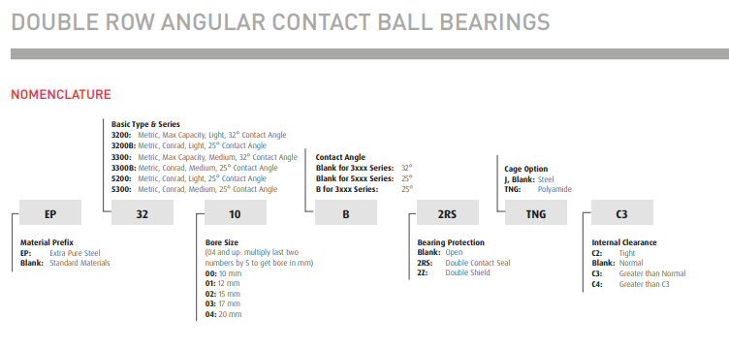
Angular Contact Ball Bearings | Return to Contents
Over-the-Counter Identification Guide
Audience: New counter staff / inside sales
Purpose: Correctly identify angular contact bearings and avoid incorrect substitutions that cause immediate failure.
1. What Is an Angular Contact Bearing? (Plain Language)
An angular contact ball bearing is designed so the balls contact the raceways at an angle, allowing the bearing to carry both radial load and significant thrust load.
If the bearing must handle side load in one direction, it’s likely angular contact.
2. Immediate Visual ID (10-Second Check)
You are likely looking at an angular contact bearing if:
Balls are offset toward one side of the raceway
One shoulder is higher than the other
Bearing feels directional
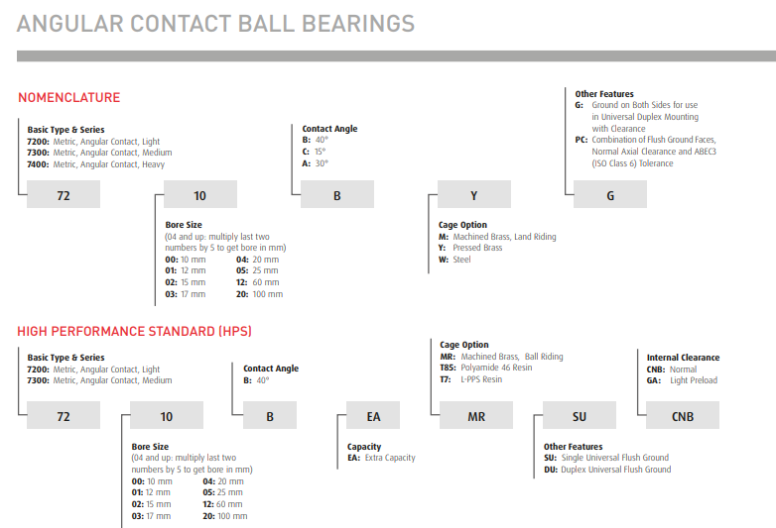
Markings indicate contact angle or arrangement
⚠️ If both sides look identical → likely deep groove, not angular contact.
3. Single-Row Angular Contact Bearings
What They Are
Carry thrust load in one direction only
Must be installed facing the correct way
Visual Clues
One race shoulder taller
Often marked with arrows or “thrust side”
Common Applications
Pumps
Compressors
Machine tools (light duty)
Counter Warning
🛑 Orientation matters — installing backwards causes failure.
4. Double-Row Angular Contact Bearings
What They Are
Two single-row bearings built into one unit
Can handle thrust in both directions
Visual Clues
Wider than a single-row bearing
Symmetrical outer appearance
No directional marking
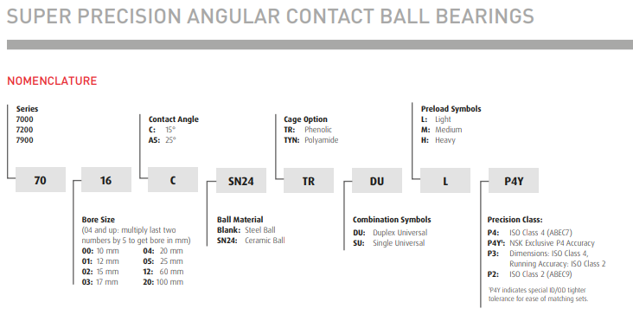
Common Applications
Gearboxes
Compact housings where paired bearings won’t fit
Counter Tip
If the customer wants “angular contact but simpler” → double-row.
5. Precision Matched Angular Contact Pairs (CRITICAL)
What They Are
Two single-row bearings factory matched
Designed to be installed as a set
Common Arrangements
DB (back-to-back) – most common
DF (face-to-face)
DT (tandem)
Visual Clues
Matched markings on both bearings
Often packaged together
Precision class markings
🛑 Never split a matched pair.
6. Key Identification Questions (Angular-Specific)
Ask these exact questions:
Is the load directional or reversing?
Was there one bearing or two together?
Any markings indicating DB / DF / DT?
Is this a machine tool or precision application?
Was preload specified?
7. Common Customer Language → What It Means
“High thrust” → Angular contact
“Precision bearing” → Matched pair
“Machine spindle” → Precision angular contact
“Bearing failed quickly” → Wrong orientation or preload
8. Common Mistakes to Avoid
❌ Substituting deep groove ball bearings
❌ Installing single-row backwards
❌ Mixing unmatched bearings
❌ Ignoring preload requirements
9. When to Escalate (DO NOT GUESS)
Escalate immediately if:
Bearing is part of a machine tool
Preload or contact angle is specified
Bearing is marked as a matched set
Application is high-speed or high-precision
10. Final Counter Confidence Check
Before selling, confirm:
✔ Single, double, or matched pair identified
✔ Directional load understood
✔ Orientation or arrangement confirmed
✔ No substitution assumptions made
If all four are confirmed → proceed.

